Coverpage
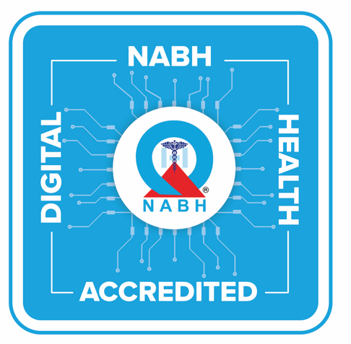

 | National Accreditation Board for
 | Hospitals and Healthcare Providers

Sample Template for HIS EMR Readiness Checklist

